Sheet1
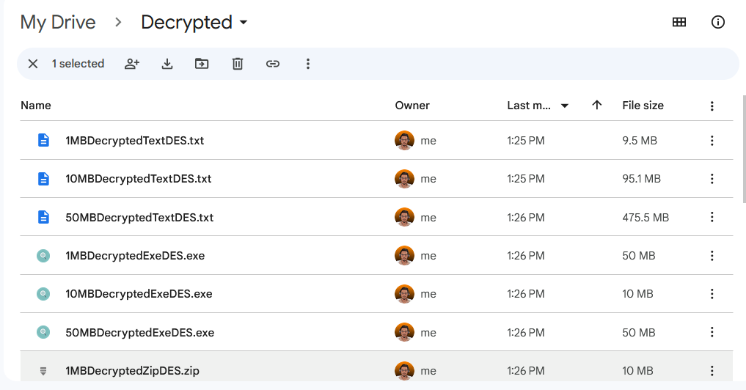
INFORMATION SECURITY - Assignment 1

Time Taken for DES Encryption
For DES

File Type | Time Taken (s)
 | 1MB | 10MB | 50MB
Text Files | 0.438094738 | 5.13945903 | 33.269520648
Zip Files | 0.07019325 | 0.479559902 | 2.885416792
Exe Files | 3.899444703 | 0.555843601 | 2.047145265

Time Taken for AES Encryption
For AES

File Type | Time Taken (s)
 | 1MB | 10MB | 50MB
Text Files | 0.163420999 | 2.093360515 | 15.429331013
Zip Files | 0.044455124 | 0.148657009 | 1.75043698
Exe Files | 0.091055352 | 0.395200936 | 1.502692688

RSA Title
For RSA

File Type | Time Taken (s)
 | 1MB | 10MB | 50MB
Text Files | 0.294979169 | 2.575360881 | 6.33357918
Zip Files | 0.052257104 | 0.140516568 | 0.789685064
Exe Files | 0.065615619999 | 0.182249221 | 0.635982842

Encrypted Files

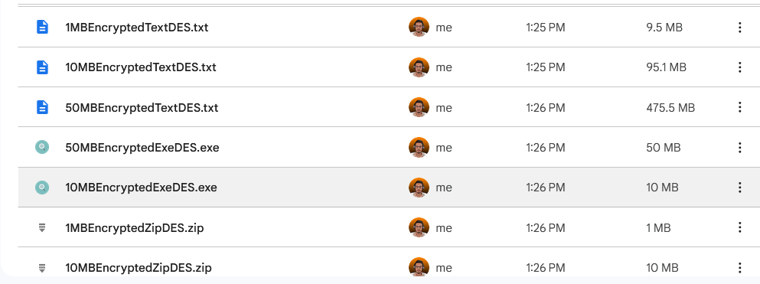

Decrypted Files

